AXISONF
AXISONF | Axis Overnight Fund

 | Monthly Portfolio Statement as on September 30, 2025
 | Name of the Instrument | ISIN | Industry / Rating | Quantity | Market/Fair Value (Rs. in Lakhs) | % to Net Assets | YTM~ | YTC^ | null
 | Money Market Instruments
 | Treasury Bill
TBIL2534 | 91 Days Tbill (MD 16/10/2025) | IN002025X166 | Sovereign | 19,500,000 | 19,456.83 | 2.23% | 5.40%
TBIL2531 | 91 Days Tbill (MD 09/10/2025) | IN002025X158 | Sovereign | 17,500,000 | 17,479.32 | 2.00% | 5.40%
TBIL2528 | 91 Days Tbill (MD 02/10/2025) | IN002025X141 | Sovereign | 15,000,000 | 14,998.11 | 1.72% | 4.62%
TBIL2537 | 91 Days Tbill (MD 23/10/2025) | IN002025X174 | Sovereign | 10,000,000 | 9,967.71 | 1.14% | 5.38%
 | Sub Total |  |  |  | 61,901.96 | 7.08%
 | Total |  |  |  | 61,901.96 | 7.08%
 | Reverse Repo / TREPS
REP15_300925 | Clearing Corporation of India Ltd |  |  |  | 220,979.51 | 25.28% | 5.65%
REP11_300925 | Clearing Corporation of India Ltd |  |  |  | 218,498.63 | 24.99% | 5.70%
REP13_300925 | Clearing Corporation of India Ltd |  |  |  | 149,998.74 | 17.16% | 5.75%
REP16_300925 | Clearing Corporation of India Ltd |  |  |  | 78,698.79 | 9.00% | 5.69%
REP10_300925 | Clearing Corporation of India Ltd |  |  |  | 43,005.51 | 4.92% | 5.90%
REP14_300925 | Clearing Corporation of India Ltd |  |  |  | 39,499.69 | 4.52% | 5.71%
REP12_300925 | Clearing Corporation of India Ltd |  |  |  | 30,395.33 | 3.48% | 6.00%
REP17_300925 | Clearing Corporation of India Ltd |  |  |  | 24,199.38 | 2.77% | 5.68%
TRP_011025 | Clearing Corporation of India Ltd |  |  |  | 2,685.43 | 0.31% | 5.47%
 | Sub Total |  |  |  | 807,961.01 | 92.41%
 | Total |  |  |  | 807,961.01 | 92.41%
 | Net Receivables / (Payables) |  |  |  | 4,413.48 | 0.51%
 | GRAND TOTAL |  |  |  | 874,276.45 | 100.00%

 | ~ YTM as on September 30, 2025
 | ^ YTC represents Yield to Call provided by valuation agencies as on September 30, 2025. It is disclosed for Perpetual Bond issued by Banks (i.e. AT-1 Bond / Tier 1 Bond / Tier 2 Bond), as per AMFI Best Practices Guidelines Circular no. 135/BP/91/2020-21 read with SEBI circular No. SEBI/HO/IMD/DF4/CIR/P/2021/034 on Valuation of AT-1 Bonds and Tier 2 Bonds.
 | As per SEBI Circular no. SEBI/HO/IMD/PoD1/CIR/P/2024/106 dated August 05, 2024, valuation of AT-1 Bonds are done on Yield to Call basis w.e.f. August 07, 2024. YTC of AT-1 Bonds are now same as it’s YTM and hence it is not disclosed separately under YTC.

 |  | Benchmark Name - NIFTY 1D RATE INDEX
 | Scheme Risk-O-Meter | Benchmark Risk-O-Meter
 | 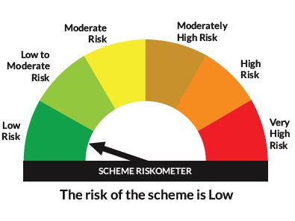 | 

